Map
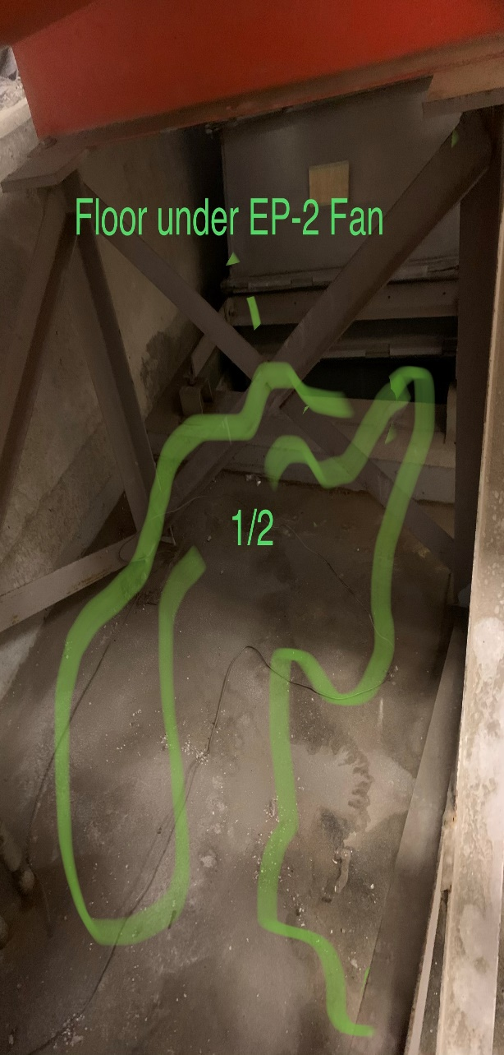
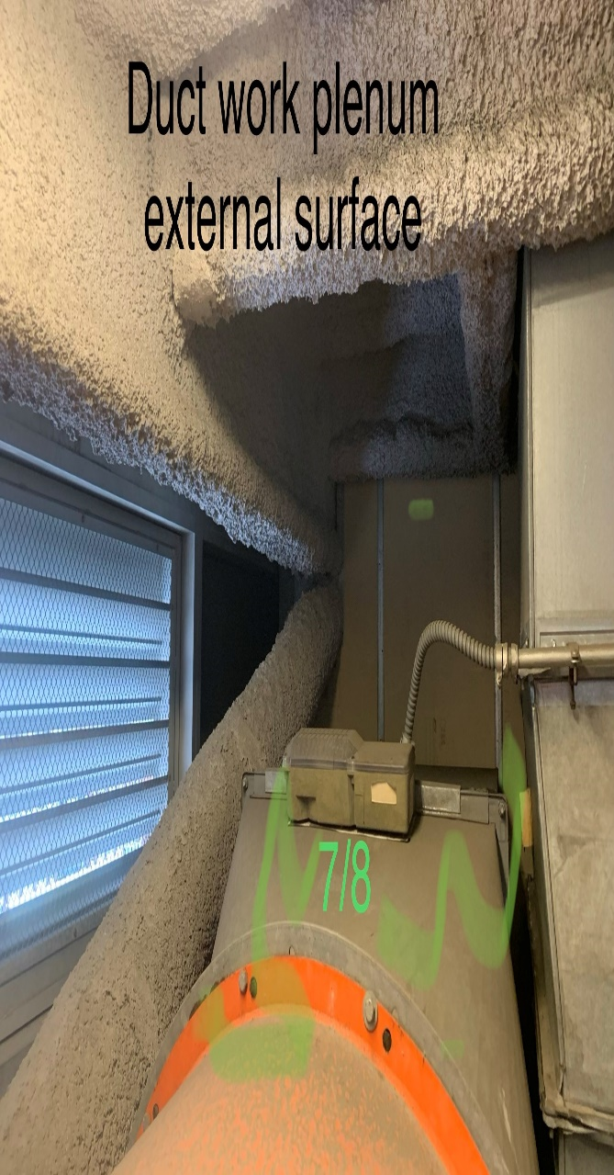
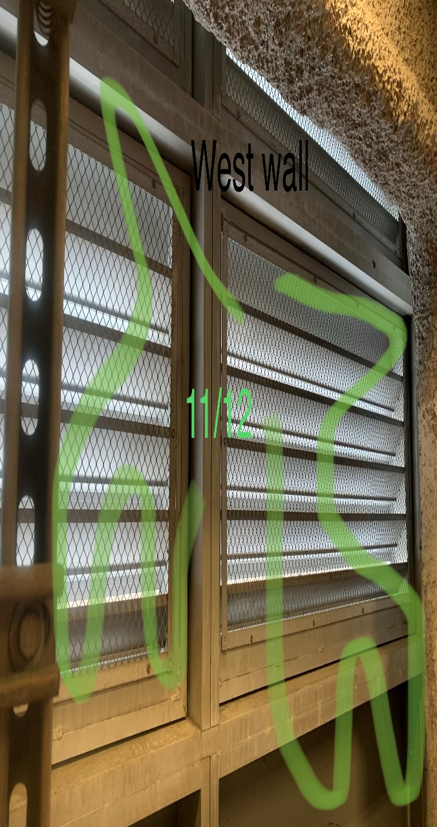

Survey No | INIS-010620-909
Date | 2020-01-06
Survey Tech | D. Dodge
Count Room Tech | N/A
Date Counted | N/A
Survey Type | Characterization
Level of Posting | RCA
Comments

Map (2)
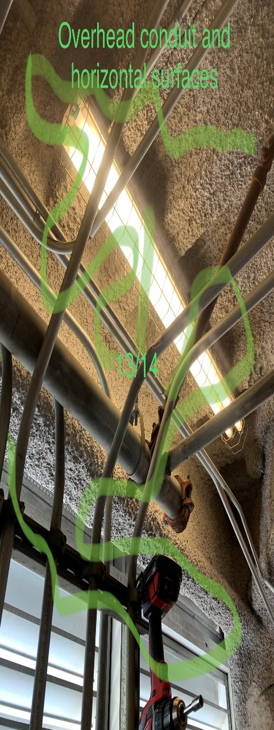
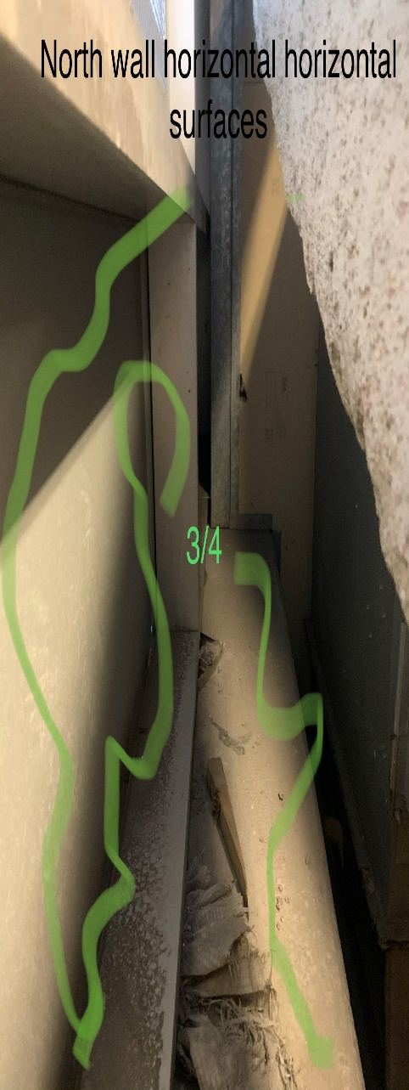
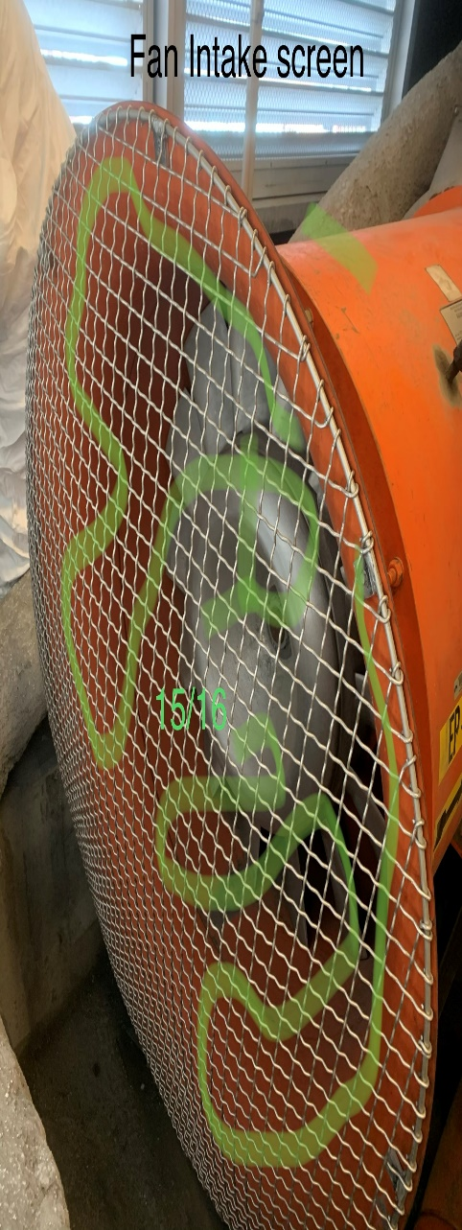
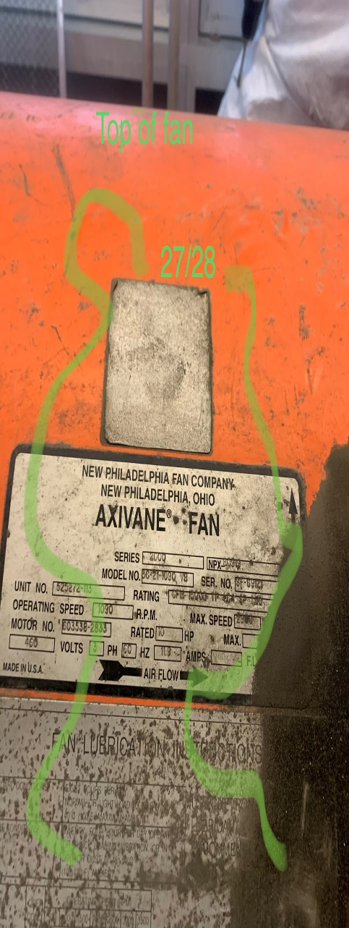

Survey No | INIS-010620-909
Date | 2020-01-06
Survey Tech | D. Dodge
Count Room Tech | N/A
Date Counted | N/A
Survey Type | Characterization
Level of Posting | RCA
Comments

Map (3)
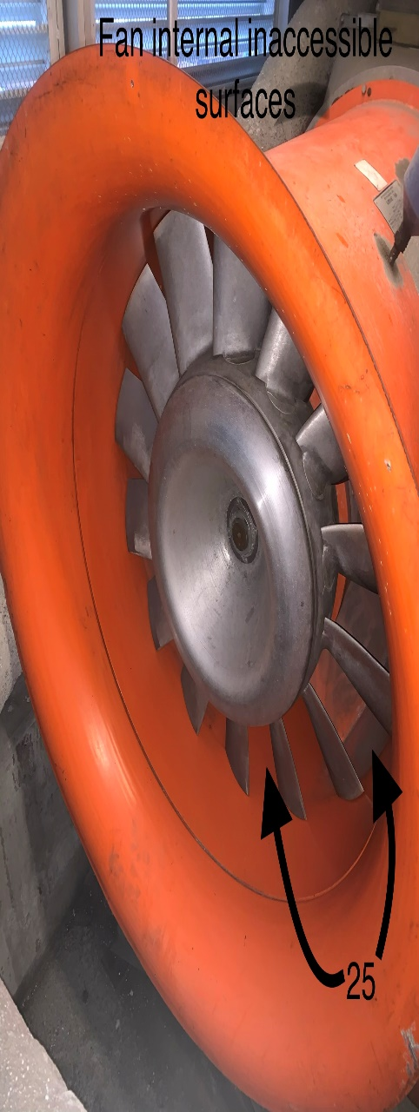
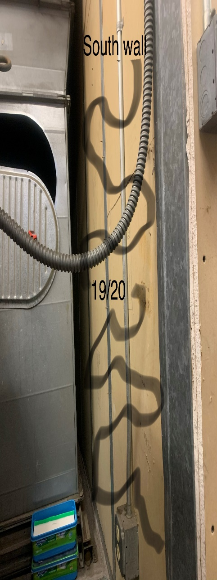

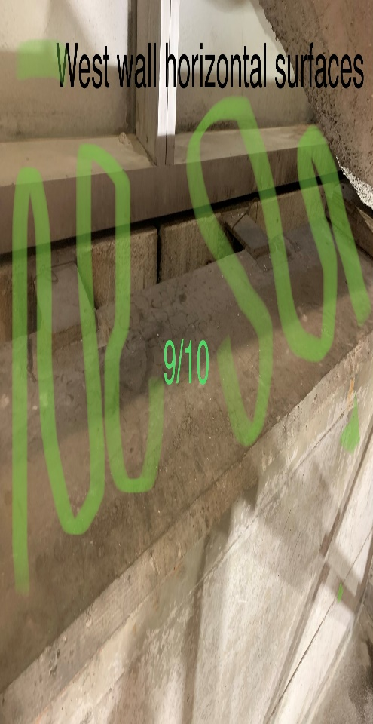
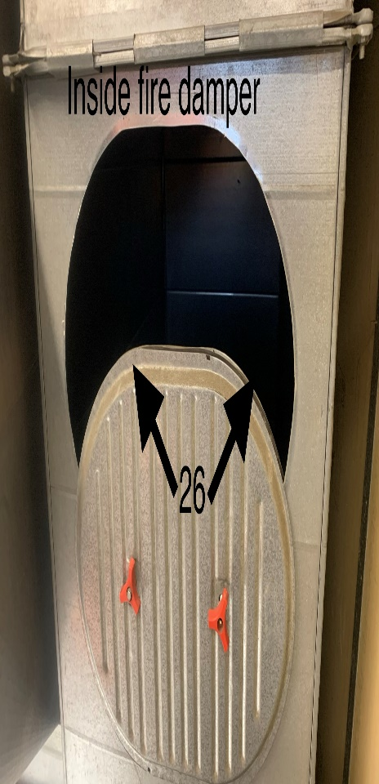

Survey No | INIS-010620-909
Date | 2020-01-06
Survey Tech | D. Dodge
Count Room Tech | N/A
Date Counted | N/A
Survey Type | Characterization
Level of Posting | RCA
Comments

Map (4)
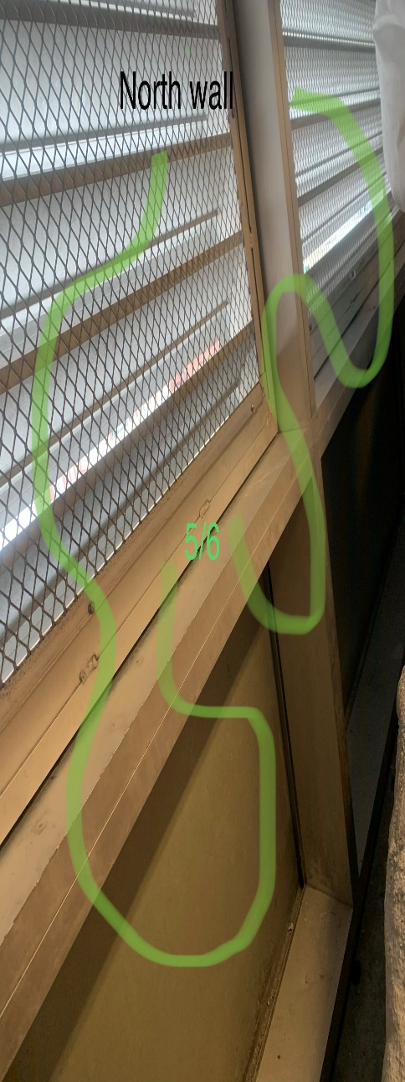
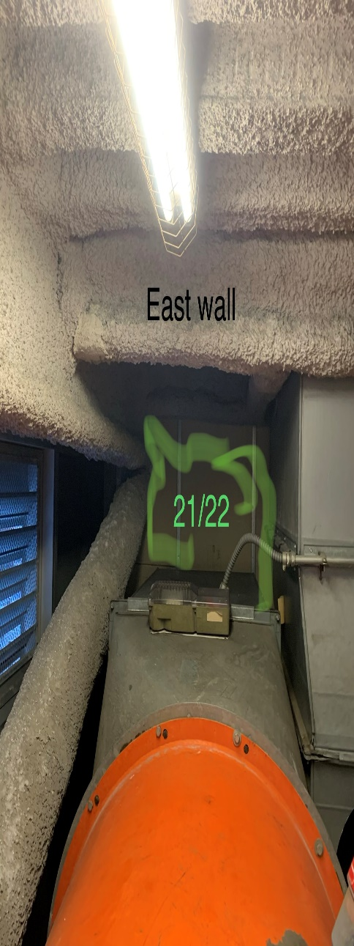
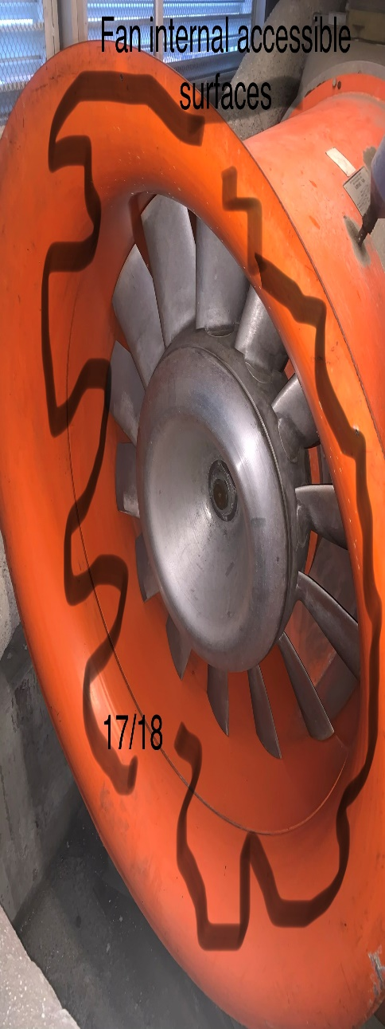



Survey No | INIS-010620-909
Date | 2020-01-06
Survey Tech | D. Dodge
Count Room Tech | N/A
Date Counted | N/A
Survey Type | Characterization
Level of Posting | RCA
Comments

